Start

Professional Wedding Planner
Eugene Matthias |  | Mobile: 07730 111111
Eugene Matthias - www.eugenematthiasweddings.com.
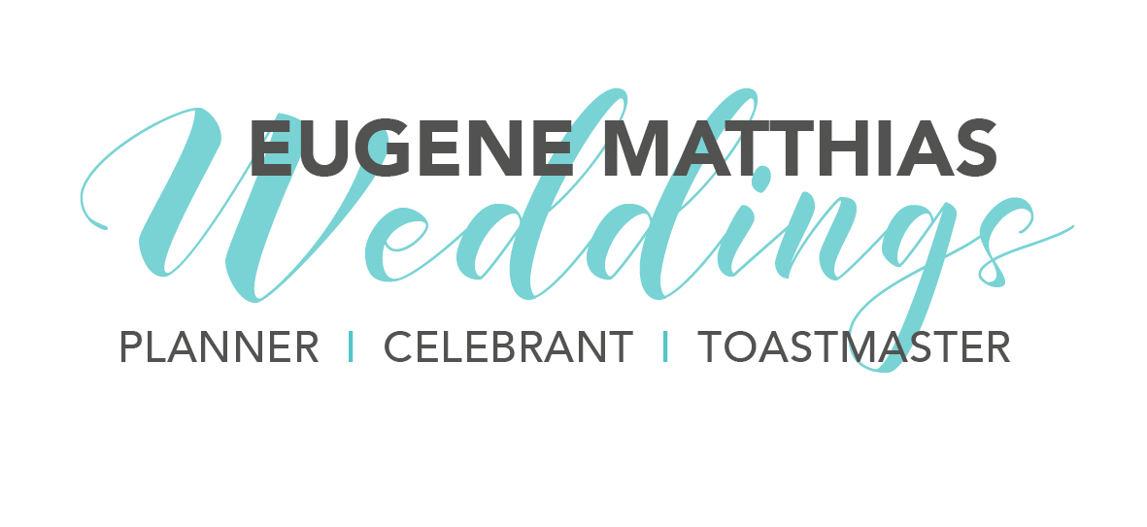

Planned Date of Wedding

Name | Contact No | Contact Email | Contact Address

